Sheet1
Part I: Tuition Benefit Tax Estimator
This is a tool to help you estimate the amount by which your take home pay will be reduced due to taxes associated with the tuition benefit. Use this calculator only if your total tuition benefit exceeds $5,250 for the calendar year.
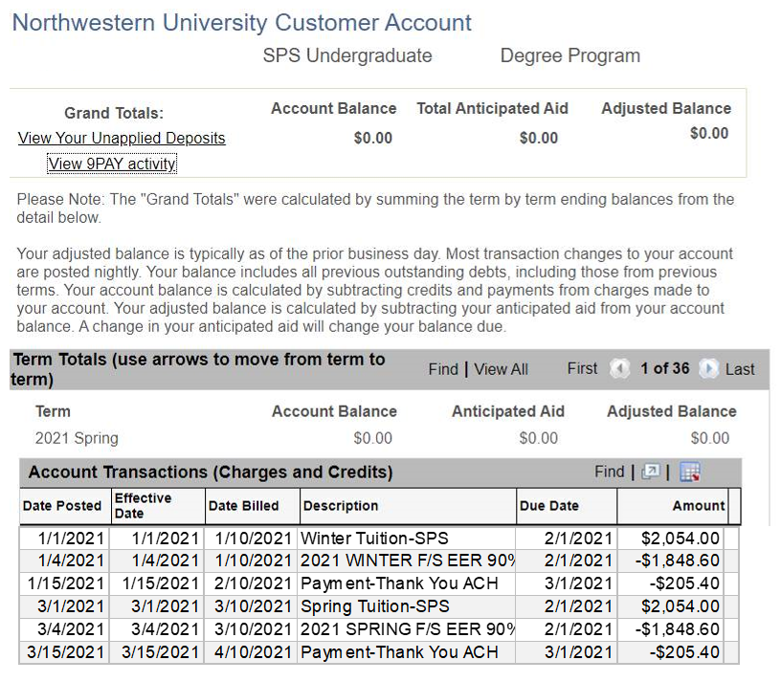
Directions
You only need to populate the two green boxes below. At the start of the quarter, enter your total tuition benefit incurred for that quarter. Then enter the YTD tuition benefit you have incurred, not including the current quarter. This information is found in your CAESAR account. This will estimate the amount your take home pay will be reduced due to additional taxes associated with the tuition benefit.
Calculator

 | ER 90% from CAESAR for Current Quarter

 | ER 90% from CAESAR Since January 1, Not Including Current Quarter

 | Taxable Tuition Benefit For The Quarter

 | Tax Type | Amount | Taxes Owed
 | Federal | 25%
 | State | 4.95%
 | Social Security | 6.20%
 | Medicare | 1.45%

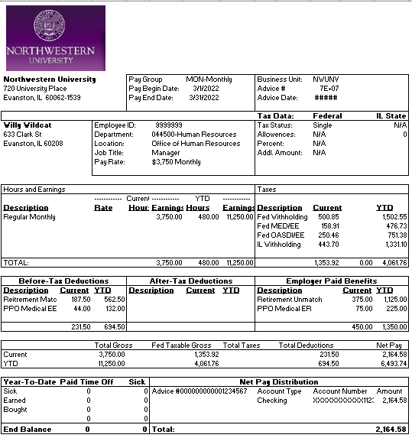
Estimated Reduction in Take Home Pay
The taxes outlined below are withheld in addition to your taxes scheduled for all other payroll income.
 | Estimated Net Pay Reduction for Quarter (Due to Increased Taxes)
Estimate of total taxes owed

 | Additional Taxes Withheld Per Check*
 | Monthly Three Checks
 | Biweekly Five Checks

 | *Pay frequency is determined by your FLSA status and cannot be changed.
Part II: Tuition Tax Take Home Pay Estimator
Directions
You only need to populate the green box below. You will need to access your most recent pay check via myHR Self Service. To find your check, login to myHR, select the Pay tile, then select your most recent check. Then take the Current Net Pay, found on the bottom right of the pay sub. Enter than number into the green box below.

Calculator

 | Your Net Pay

 | Take Home Pay After Additional Tuition Taxes*
 | Monthly Checks
 | Biweekly Checks

*Pay frequency is determined by your FLSA status and cannot be changed.
 |  |  |  | Print Date: | 2022-04-04

Other factors such as pre-tax benefits, additional W4 withholdings, bonuses/extra pay, etc. are not considered in this calculator.

